Sheet1
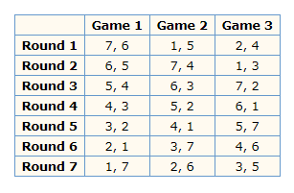
 |  | http://gilmerbaseball.com/library/roundrobin.asp
Major East | Major West |  |  | 1 | 2 | 3 | 4 | 5 | 6 | 7
1 | 1 |  | 1 |  | 1-2 | 1-3 | 1-4 | 1-5 | 1-6 | 1-7
2 | 2 |  | 2 | 2-1 |  | 2-3 | 2-4 | 2-5 | 2-6 | 2-7
3 | 3 |  | 3 | 3-1 | 3-2 |  | 3-4 | 3-5 | 3-6 | 3-7
4 | 4 |  | 4 | 4-1 | 4-2 | 4-3 |  | 4-5 | 4-6 | 4-7
5 | 5 |  | 5 | 5-1 | 5-2 | 5-3 | 5-4 |  | 5-6 | 5-7 |  | 3 |  | 2 |  | 1 |  | 7 |  | 1 | 8 | 1 | 6 | 1 | 4
6 | 6 |  | 6 | 6-1 | 6-2 | 6-3 | 6-4 | 6-5 |  | 6-7 |  | 4 | 2 | 3 | 1 | 2 | 7 | 6 | 1 | 2 | 7 | 2 | 5 | 2 | 3
7 |  |  | 7 | 7-1 | 7-2 | 7-3 | 7-4 | 7-5 | 7-6 |  |  | 5 | 1 | 4 | 7 | 3 | 6 | 5 | 2 | 3 | 6 | 3 | 4 | 3 | 2
8 |  |  |  |  |  |  |  |  |  |  |  | 6 | 7 | 5 | 6 | 4 | 5 | 4 | 3 | 4 | 5 | 4 | 3 | 4 | 1
9 |  |  |  | 7 | 6 | 5 | 4 | 3 | 2 | 1 |  | 7 | 6 | 6 | 5 | 5 | 4 | 3 | 4 | 5 | 4 | 5 | 2 | 5 | 7
10 |  |  | 7 |  | 7-6 | 7-5 | 7-4 | 7-3 | 7-2 | 7-1 |  | 1 | 5 | 7 | 4 | 6 | 3 | 2 | 5 | 6 | 3 | 6 | 1 | 6 | 8
 |  |  | 6 | 6-7 |  | 6-5 | 6-4 | 6-3 | 6-2 | 6-1 |  | 2 | 4 | 1 | 3 | 7 | 2 | 1 | 6 | 7 | 2 | 7 | 8 | 7 | 5
 |  |  | 5 | 5-7 | 5-6 |  | 5-4 | 5-3 | 5-2 | 5-1 |  |  | 3 |  | 2 |  | 1 |  |  | 8 | 1 | 8 | 7 | 8 | 6
 |  |  | 4 | 4-7 | 4-6 | 4-5 |  | 4-3 | 4-2 | 4-1
 |  |  | 3 | 3-7 | 3-6 | 3-5 | 3-4 |  | 3-2 | 3-1 |  | 1 | 5 | 1 | 3 | 1 |  | 1 | 6
 |  |  | 2 | 2-7 | 2-6 | 2-5 | 2-4 | 2-3 |  | 2-1 |  | 2 | 4 | 2 |  | 2 | 7 | 2 | 5
 |  |  | 1 | 1-7 | 1-6 | 1-5 | 1-4 | 1-3 | 1-2 |  |  | 3 |  | 3 | 1 | 3 | 6 | 3 | 4
 |  |  |  |  |  |  |  |  |  |  |  | 4 | 2 | 4 | 7 | 4 | 5 | 4 | 3
 |  |  |  |  |  |  |  |  |  |  |  | 5 | 1 | 5 | 6 | 5 | 4 | 5 | 2
 |  |  |  | 1 | 2 | 3 | 4 | 5 | 6 | 7 | 8 | 6 | 7 | 6 | 5 | 6 | 3 | 6 | 1
 |  |  | 1 |  | 1-2 | 1-3 | 1-4 | 1-5 | 1-6 | 1-7 | 1-8 | 7 | 6 | 7 | 4 | 7 | 2 | 7
 |  |  | 2 | 2-1 |  | 2-3 | 2-4 | 2-5 | 2-6 | 2-7 | 2-8
 |  |  | 3 | 3-1 | 3-2 |  | 3-4 | 3-5 | 3-6 | 3-7 | 3-8
 |  |  | 4 | 4-1 | 4-2 | 4-3 |  | 4-5 | 4-6 | 4-7 | 4-8
 |  |  | 5 | 5-1 | 5-2 | 5-3 | 5-4 |  | 5-6 | 5-7 | 5-8
 |  |  | 6 | 6-1 | 6-2 | 6-3 | 6-4 | 6-5 |  | 6-7 | 6-8
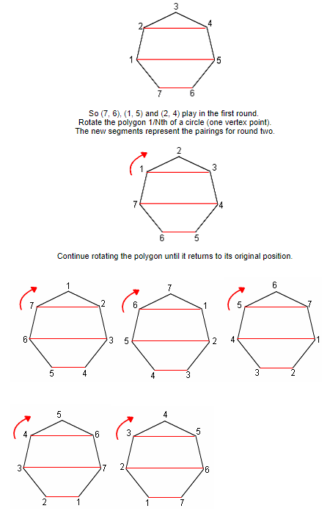
 |  |  | 7 | 7-1 | 7-2 | 7-3 | 7-4 | 7-5 | 7-6 |  | 7-8 | 1
 |  |  | 8 | 8-1 | 8-2 | 8-3 | 8-4 | 8-5 | 8-6 | 8-7 |  | 2
 |  |  |  |  |  |  |  |  |  |  |  | 3
 |  |  |  |  |  |  |  |  |  |  |  | 4
 |  |  |  |  |  |  |  |  |  |  |  | 5
 |  |  |  |  |  |  |  |  |  |  |  | 6
 |  |  |  |  |  |  |  |  |  |  |  | 7

